Sheet1
title | Quo Vadis, Action Recognition? A New Model and the Kinetics Dataset
author | Joao Carreira Andrew Zisserman
abstract | there are no high-quality and large dataset about vedio
 | inflate 2D to 3D, only bigger the kernal's dimension
 | a new Kinetics Human Action Vedio dataset
introduction | Kinetics is larger than HMDB-51, UCF-101 dataset
 | a new model: two-stream I3D convnet
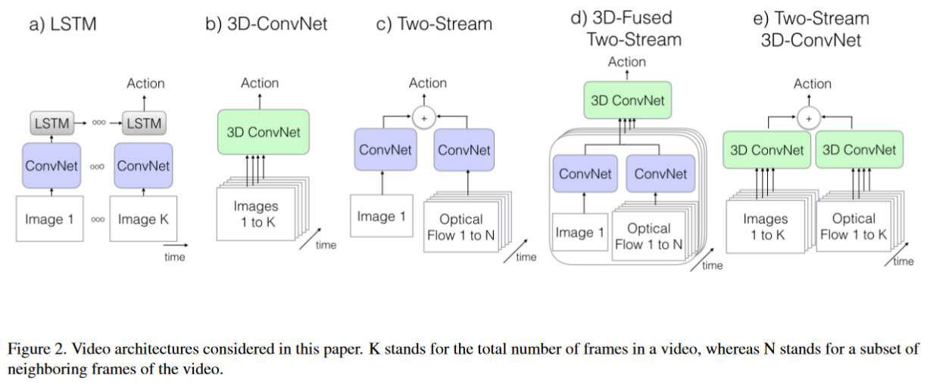
architectures

 | inflating 2D convnet into 3D | only increasing the dimension
 | boostrapping 3D filters from 2D filters | concat single image to a vedio
 |  | test the single vedio into the initial framework
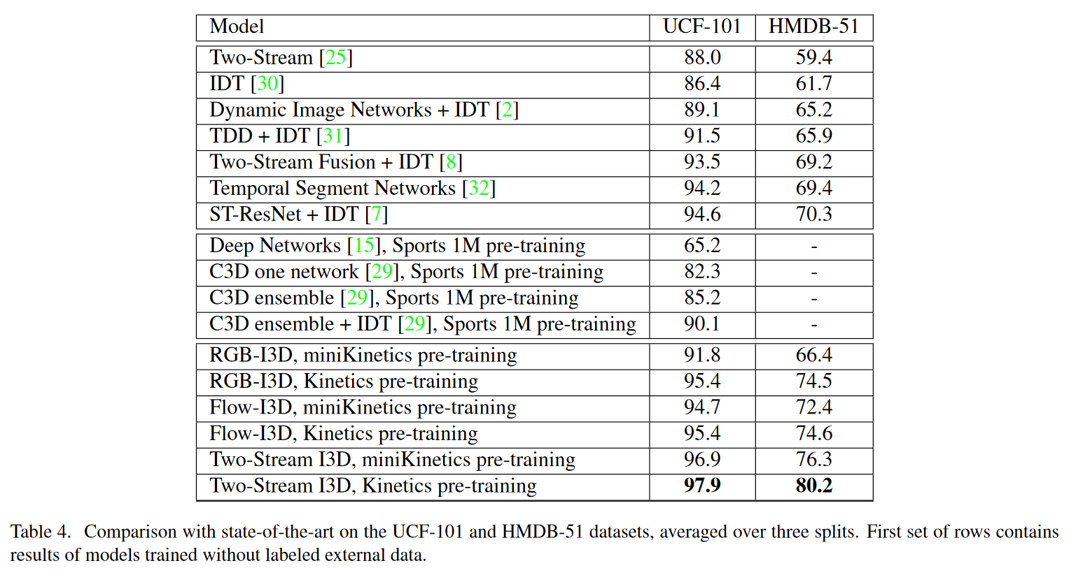
experiments

